Product
PT. NUTRIFOOD INDONESIA |  |  | KODE FORM : F.Q.201


PENGEMBANGAN KONSEP AWAL PRODUK BARU
( PKP )
Tropicana Slim
Coir (Comil Cair)
Author |  | : | Noviana
Last Updated On |  | : | 2020-07-14
 | Revision No | : | 0
Background
Idea | Tropicana Slim Santan Less Fat Cair
Target market | MF 30+ Upper 1,2
Uniqueness of idea | weak - moderate - strong
Estimated potential market | niche - in between - mass
Reason(s) | Optimalize Sentul Plant's capacity and grab bigger market opportunity for liquid santan (4x bigger than powder santan)
Market Analysis
Launch Deadline | 2021
Aisle Placement | Besides Sasa, Sun Kara, Klatu Cair 200 ml
Sales Forecast | Rp500,000,000

NF Selling Price | Rp6,500
Consumer Price Target | Rp8,450

Main Competitor | Sasa, Sun Kara, Klatu
Competitive Analysis | TBN
Product Features
Product Form | Thick liquid
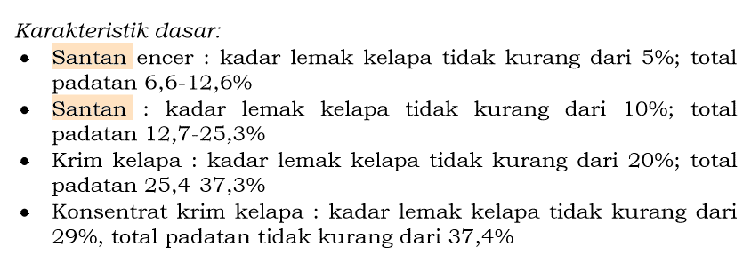
Product Packaging | Tetra 200/180 ml (without straw)
Kategori Pangan (BPOM) | Santan (04.1.2.8 Bahan Baku Berbasis Buah)
Prefered Flavour | -
Product Benefits | Practical
 | Less/low fat

Mandatory Ingredients | Santan
Related Picture | see sheet reference

ATTENTION!
 | compulsory; filled by QBX (brand function) Managers
 | should only be filled with great certainty
 | should only be filled after discussion with QPA
Service Level Agreements | Lead Time QBX (brand function) |  | 5 workdays
 | Lead Time QPA (product development function) |  | [1 (benefits) + 2 (COGS)] = 2 workdays
 | Lead Time Revision |  | 2 workdays
Processes | After being filled. HOD approval request. Then, forward to RD as low priority project. Will be further prioritized in PV Cross Funct Mtg. Meanwhile, RD can prepare SLA projection to propose into PV's SLA for the project based on capacity and feasibility.

 |  |  | Revisi / Berlaku : 04 / 24.02.10
 |  |  | Lama Simpan : Selamanya

Market Potency
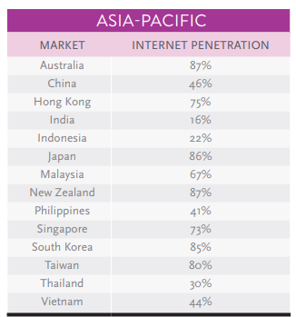
 | cair | powder
TS Santan Cair : TS Santan Powder | 80% | 20%

Omzet TS Santan Powder (MT) | 300,000,000
Omzet TS Santan Cair (MT) : Powder (MT) | 400%
Omzet TS Santan Cair (MT) - moderasi 1.5-2x lipat | 450,000,000

 |  |  | 1044047
 |  |  | 927120
 |  |  | 781391
 |  |  | 657262
 |  |  | 534822
 |  |  | 409392
 |  |  | 284080
 |  |  | 375893
 |  |  | 5014007
 |  |  | 49.3%

